Full Data
Name of Local Authority Pension Fund | Description of holding - equity, gilts, government bonds, non govt bonds etc | Sub-category/ Classification | Number of bonds/ shares | Fund manager | Amount
Cheshire Pension Fund
Cheshire Pension Fund
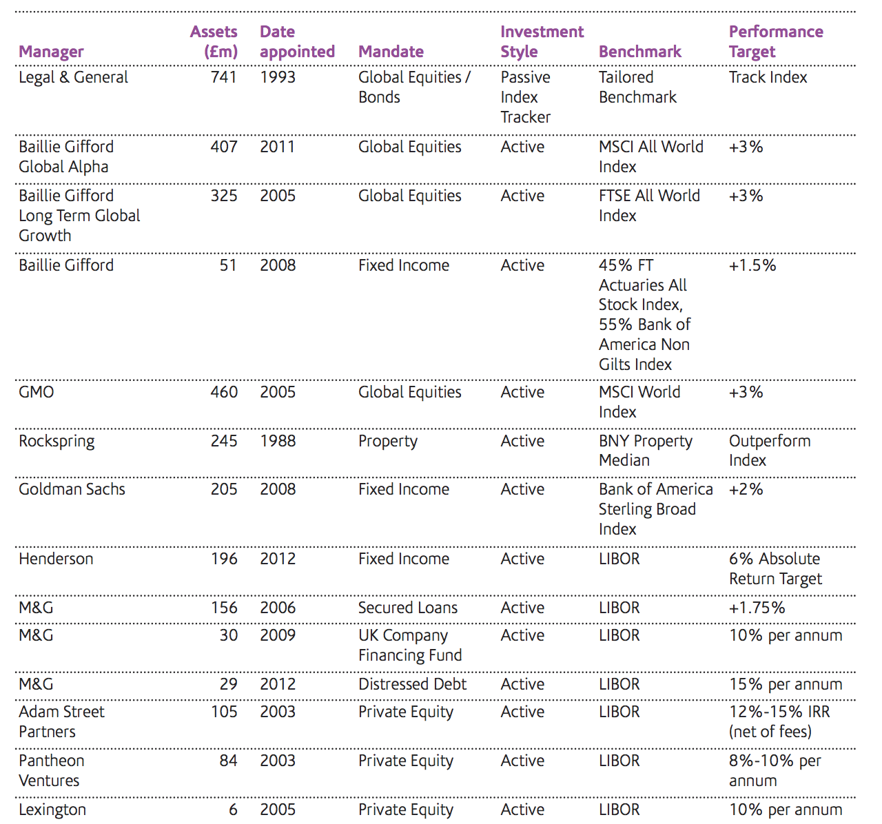
Cheshire Pension Fund
Cheshire Pension Fund
Cheshire Pension Fund
Cheshire Pension Fund
Cheshire Pension Fund
Cheshire Pension Fund
Cheshire Pension Fund
Cheshire Pension Fund
Cheshire Pension Fund
Cheshire Pension Fund
Cheshire Pension Fund

